Info
Road Trauma Australia 2024
Statistical report on fatalities and hospitalised injuries from road crashes in Australia
Sep-25

List of sources
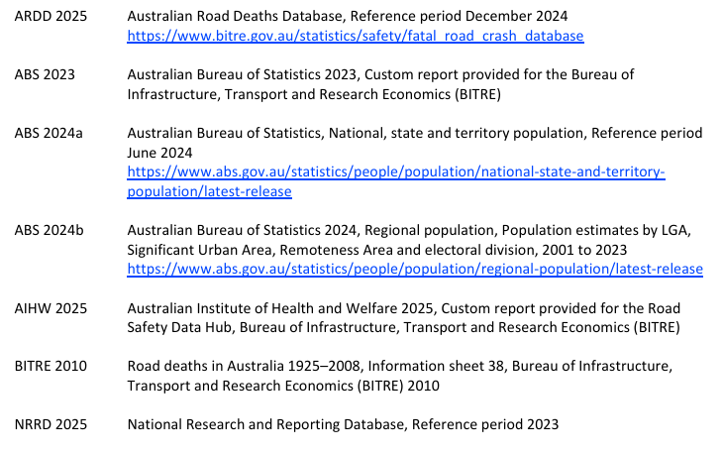

View report
Note: some tables have been updated and may differ from the PDF version published in September 2025

